1. Title Page
[Grocery Basket Analysis]

Project Name: Instacart Grocery Basket Analysis
Date:
Analyst Name: Ritu Verma

 | Data Citation”

Contents:
Population Flow
Consistency checks
Wrangling steps
Column derivations
Visualizations
Recommendations

Data:
“The Instacart Online Grocery Shopping Dataset 2017”, Accessed from www.instacart.com/datasets/grocery-shopping-2017 via Ritu on ---------, 2023.

2. Population Flow
 |  | Title page

Population flow

Exclusion flag
Condition: max_order < 5
Obervations to be removed: 1,440,295
Final total count of order_products_all: 30,964,564

3,421,083.00

Orders_products_combined
Orders_products_merged
Orders_products_all

Total: 32,404,859
Total: 32,434,489
Total:
 | 32,404,859

1.) The grey boxes in the first row of the population flow represent the original data sets as they were when you downloaded them. In the Total fields you need to add the count of the rows when you imported the data set into Jupyter.
2.) The second row of boxes (coloured) represents the data sets after you manipulated them, e.g., removed missing values and duplicates. In the Total fields you need to add the count of the rows after conducting these operations. This offers a visual oveview of how the data flows throughout the data consistency checks.
3.) The third row, where also the arrows are coloured, represents the merges you performed between the datasets. In the Total fields you need to add the count of the rows in the merged datasets, so that you end up with the final dataset (in the red box). Keep in mind the final dataset should be without exclusions (based on the exclusion flag).

3. Consistency checks
 |  |  |  | Title page
Consistency checks

Dataset | Missing values | Missing values treatment | Duplicates
orders | days_since_last_order column with missing value = 206209 | Keeping these values | No duplicates found.
products | product_name 16 | Removed missing 16 product names through creation of DataFrame | 5 duplicates also removed
orders_products_prior | No missing Value | …......... | No duplicates found.
customers | 11259 missing value from first name | no treatment--just keeping these values. These are almost 5% of all data | No duplicates found.
 |  | so did not remove them.

4. Wrangling steps
 |  |  |  | Title page
Wrangling steps
 | 4.4 Exercise
 |  |  | 4.4

Columns dropped | Columns renamed | Columns' type changed | Comment/Reason
'eval_set' from orders.csv | order_dow':'orders_day_of_week |  | No need for Analysis

 | order_dow renamed to orders_day_of_week in orders.csv
 |  | changed user_id integer type to string type | Changed from integer to string type because this variable that not needs to be measured
 | df_ords['order_id'] = df_ords['order_id'].astype('str') | changed order_id to string type in orders.csv | Changed from integer to string type because this variable that not needs to be measured

 | days_since_prior_order' rename to 'days_since_last_order' |  | More useful name then before

 | Surname changed to Last name in customer Table

First name on customer.csv |  |  | PII element- for data Security
surname on customer.csv |  |  | PII element- for data Security

5. Column derivations
 |  |  |  | Title page

Column derivations and aggregations

In this tab you should add tables below that the frequences of flags/label variables that you produced after deriving them. NB: don't do this for continuous variables, only for flags.
Dataset | New column | Column/s it was derived from | Conditions
df_ords_prods_merged | price_range_loc | price | df.loc[df['prices'] > 15, 'price_range_loc'] = 'High-range product' df.loc[(df['prices'] <= 15) & (df['prices'] > 5), 'price_range_loc'] = 'Mid-range product' df.loc[df['prices'] <= 5, 'price_range_loc'] = 'Low-range product'
df_ords_prods_merged | busiest_day | order_dow (Order_day_of_week) | order_dow = 0 means Saturday(busiest Day) order_dow = 4 means Wednesday(least busy Day) order_dow = others means Regular Days
df_ords_prods_merged | Busiest days | order_hour_of_day | Saturday and Sunday were 'Busiest days' Wednesday and Tuesday were 'Least busy days' other days were 'Regularly busy'
df_ords_prods_merged | busiest_period_of_day | order_hour_of_day | The 8 hours with most orders were 'Most orders'[10, 11, 14, 15, 13, 12, 16, 9] The 8 hours with least orders were 'Fewest orders'[23, 6, 0, 1, 5, 2, 4, 3] The other 8 hours were 'Average orders'
orders_products_merged_updated | loyalty_flag | max_order | Customer with['max_order'] > 40, 'loyalty_flag'] = 'Loyal customer' Customer with['max_order'] <= 40) & ['max_order'] > 10, 'loyalty_flag'] = 'Regular customer' Customer with['max_order'] <= 10, 'loyalty_flag'] = 'New customer'
orders_products_merged_updated | spending_flag | prices(average) | Customers with mean price >10 = 'High Spenders' Customers with mean price >10 = 'low Spenders'
orders_products_merged_updated | order_frequency_flag | median_prior_orders | Customers with median days >20 ='Non-frequent customers' Customers with median days > 10 and <=20 ='Regular customers' Customers with median days <= 10 = 'Frequent customers'
customer_ords_prods_combined | Region | State | Northeast, Midwest, South, West
customer_ords_prods_combined | spending_flag | Region | High spender , Low spender
customer_ords_prods_combined | exclusion_flag | max_order | Cutomer with ['max_order'] >= 5, 'exclusion_flag'] = 'High activity customer' Cutomer with ['max_order'] < 5, 'exclusion_flag'] = 'Low activity customer'
customer_ords_prods_combined | Age-group | Age | Age >= 65 were 'Senior Adults' Age < 65 and >= 30 were 'Middle Age' Age < 30 were 'Young Adults'
customer_ords_prods_combined | Income_Level | income | Income >= 127000 were 'High Income' Income < 127000 and >= 75000 were 'Middle Income' Income < 75000 were 'Lower Income'
customer_ords_prods_combined | Dependents | n_dependants | n_dependants = 0 = 'no dependents' n_dependants >=1 = 'Has dependents'

6. Visualizations
 |  |  |  | Title page

Visualisations

1. Busiest Day of Week?
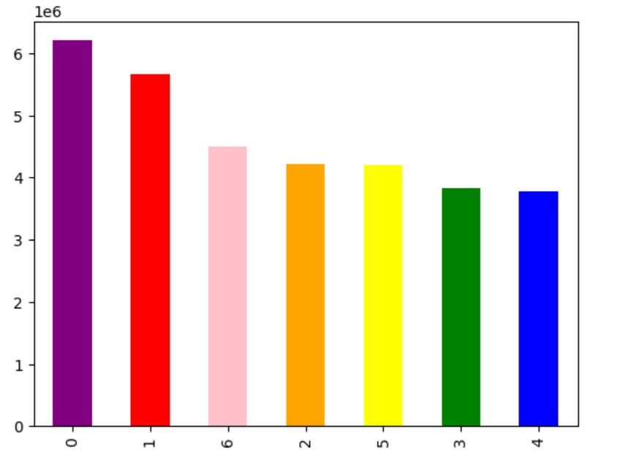

 |  |  | x axis:
 |  |  | 0 = Saturday
 |  |  | 1 = Sunday
 |  |  | 2 = Monday
 |  |  | 3 = Tuesday
 |  |  | 4 = Wednesday
 |  |  | 5 = Thursday
 |  |  | 6 = Friday

 |  |  | y axis:
 |  |  | Total number of orders (logarithmic scale)

 |  |  | Observation:
 |  |  | The busiest days of the week are Saturday and Sunday. Wednesday and Tuesday are least busy days.

2. Busiest Hours of Day?

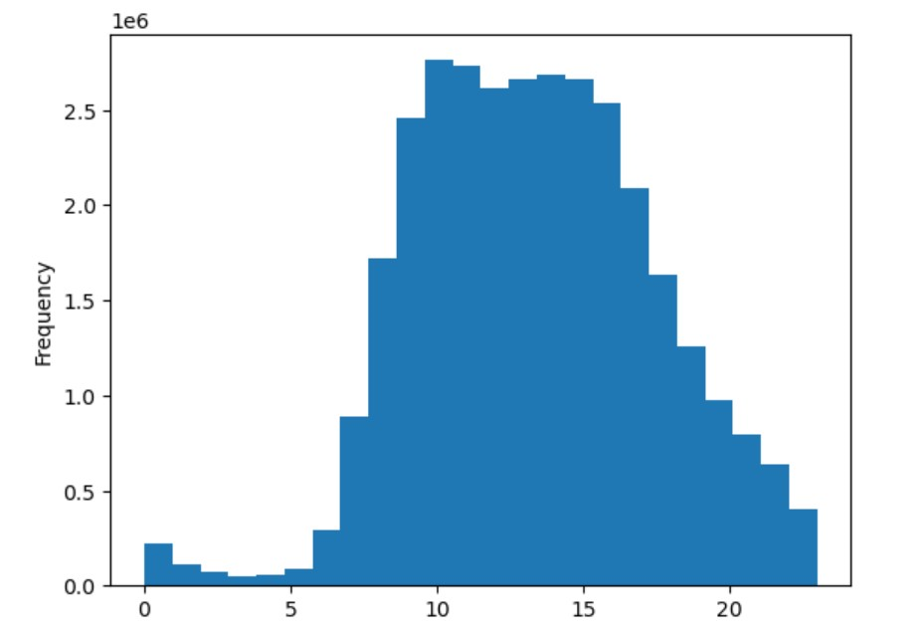

 |  |  | Observation:
 |  |  | After 6 am to 7 am orders start and between 9 - 10 am most of orders placed then again between 2pm - 4 pm there are more orders placed but after 4pm order are getting placed less in frequency until 9pm -10 pm.

2. Most Order placed time? |  | People Spending more money?

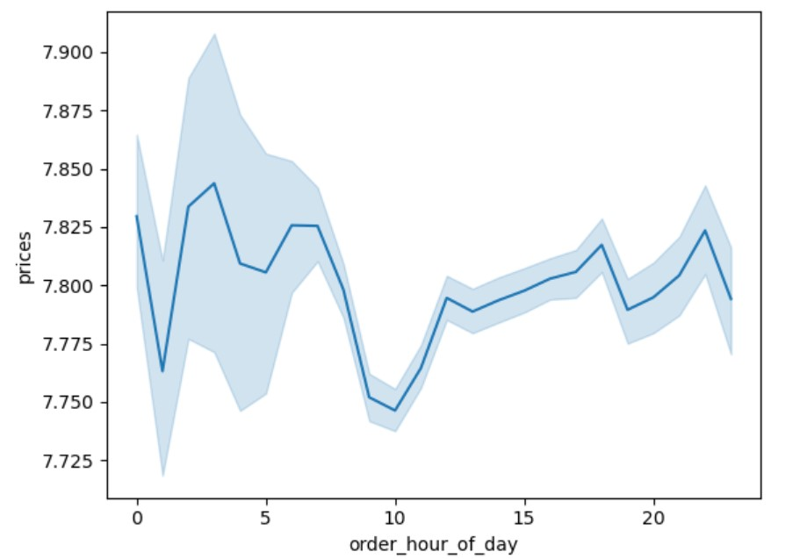

 |  |  | Observation:
 |  |  | Around 3 pm most people placed order means spend money and after 8pm people placed less order so spend less money.

3. Which department of products has more orders?

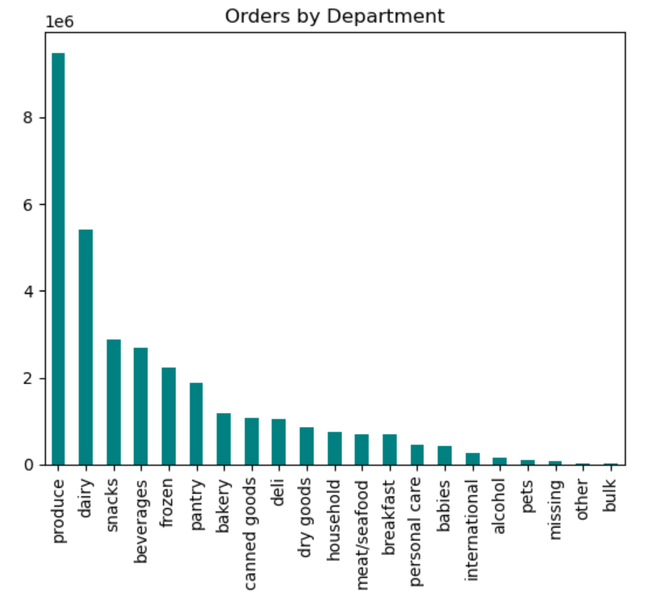

 |  |  | Observation:
 |  |  | As we can see orders by departments- products- produce, dairy and snacks has more orders according to bar plot.

4. Orders Vs. Customer profile
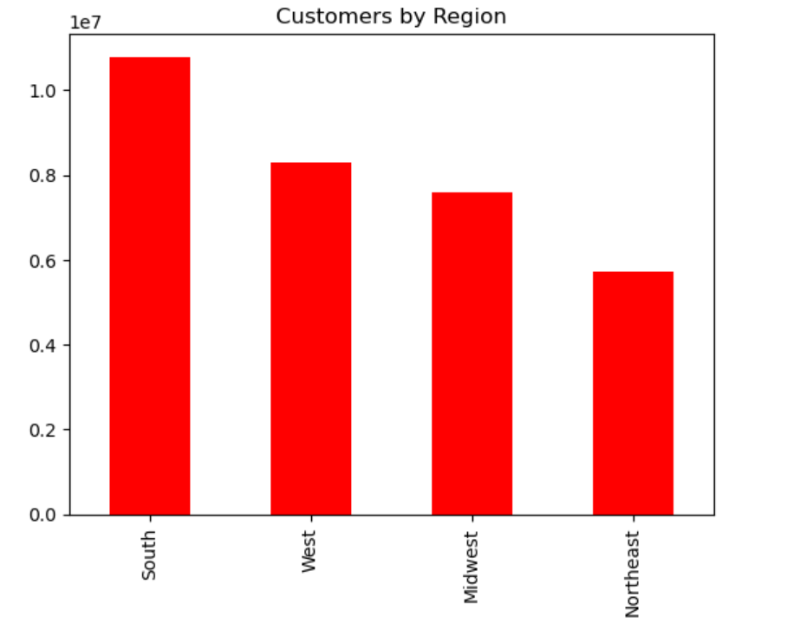
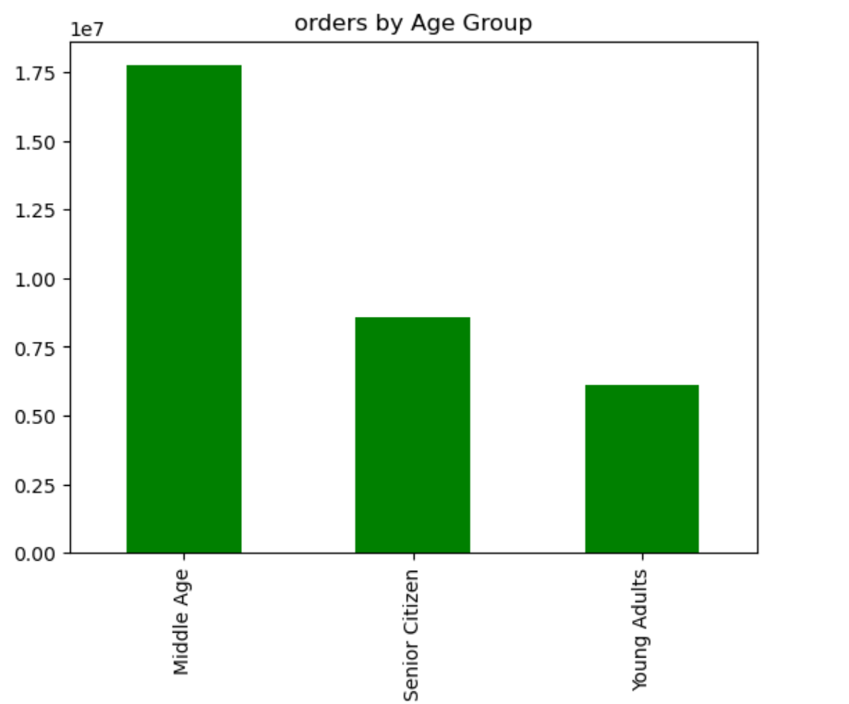
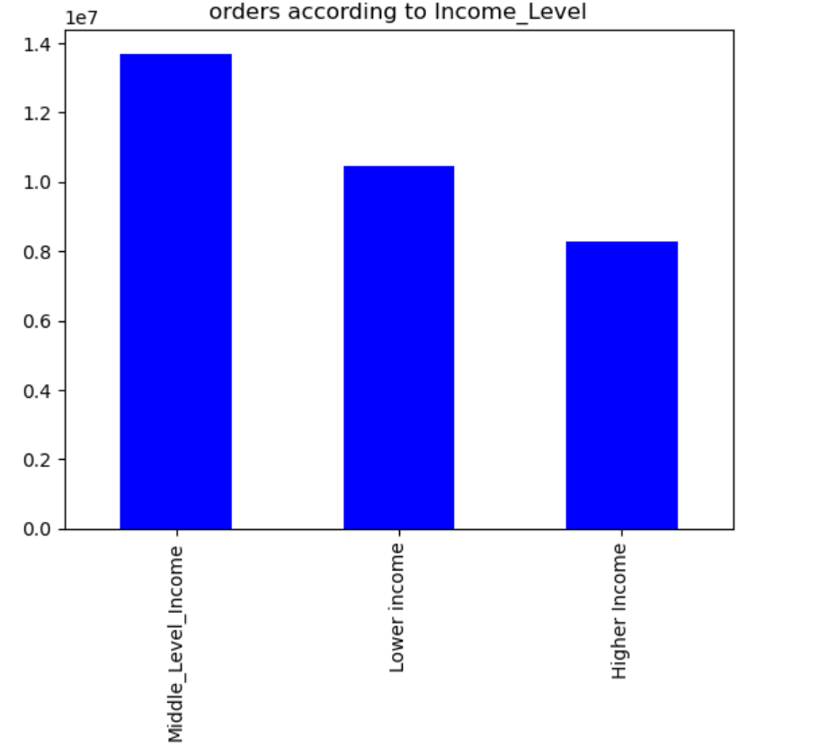
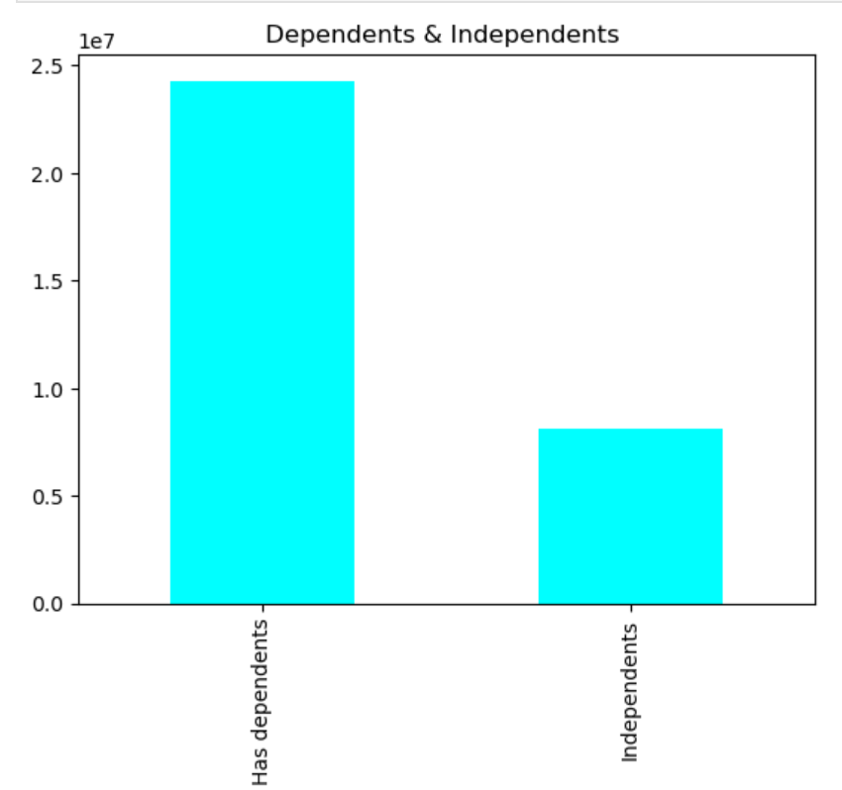
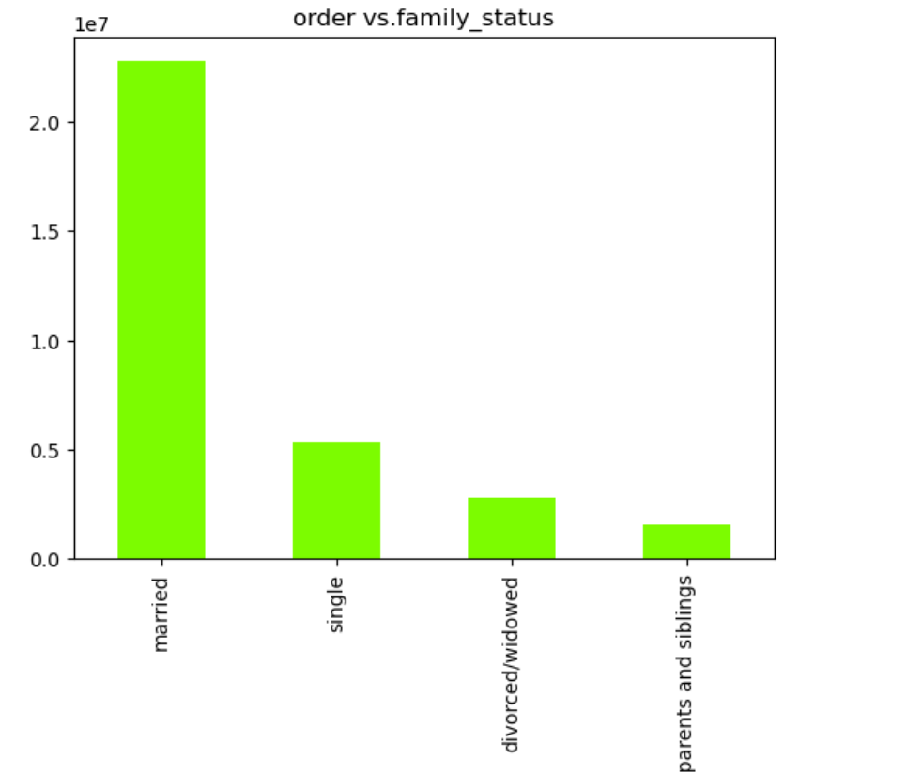

 |  |  | Observation:
 |  |  | As we can see in bar Plot- Middle age group customers made more orders as compared to senior and young people.

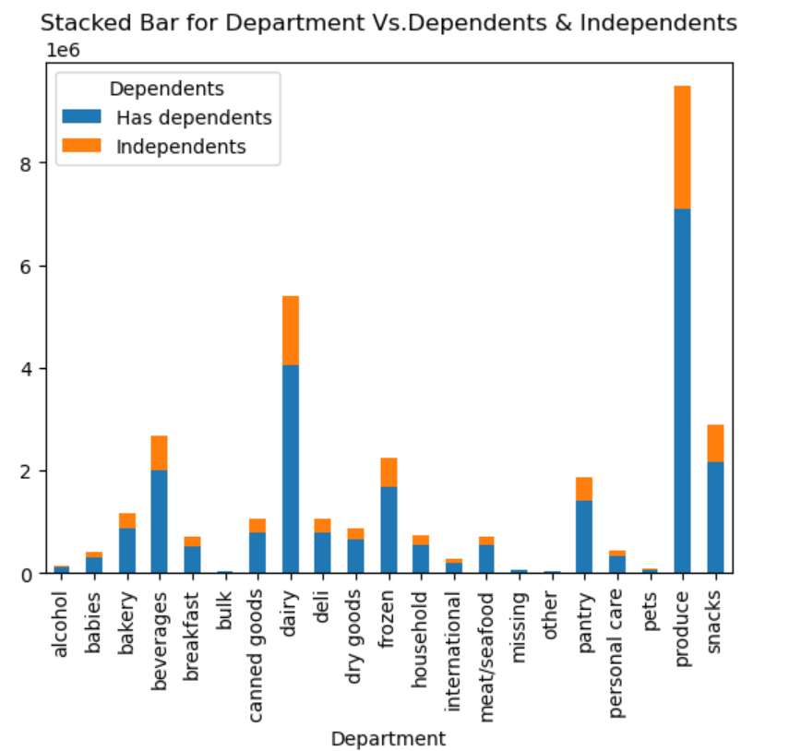
5. Department vs. Customer Profile
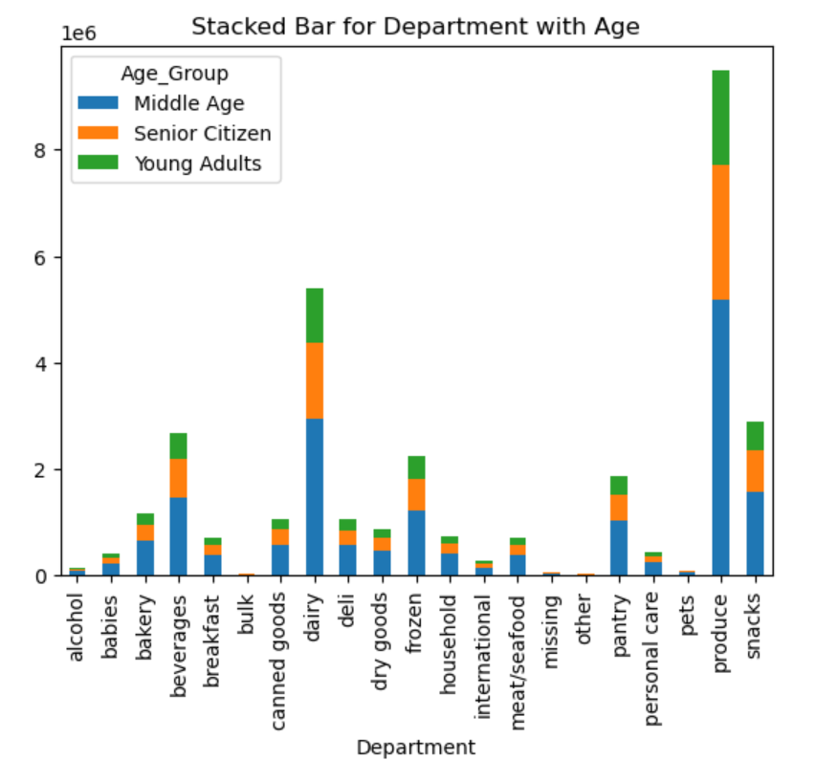
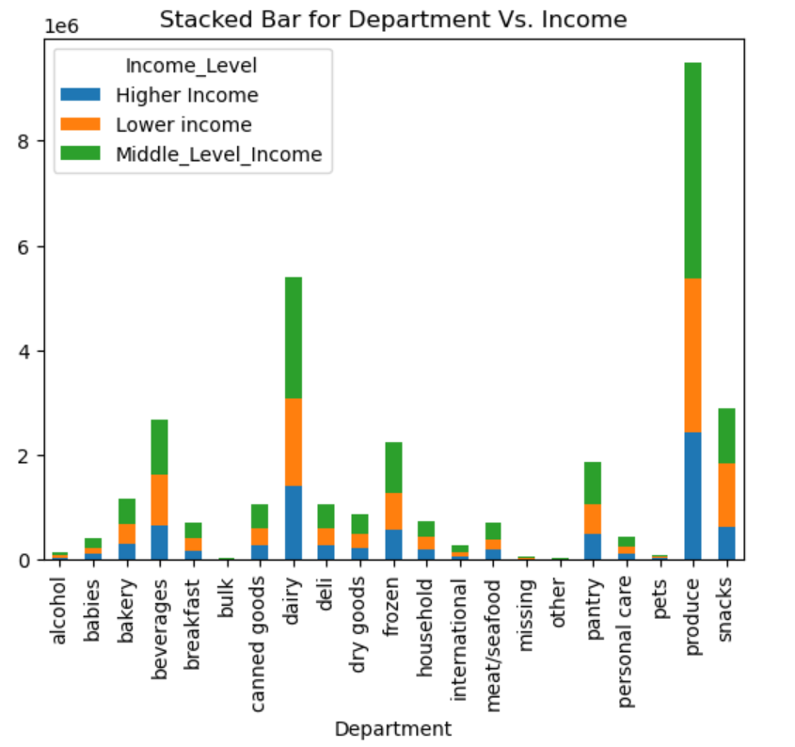

6. checking the occurences of maximum order numbers
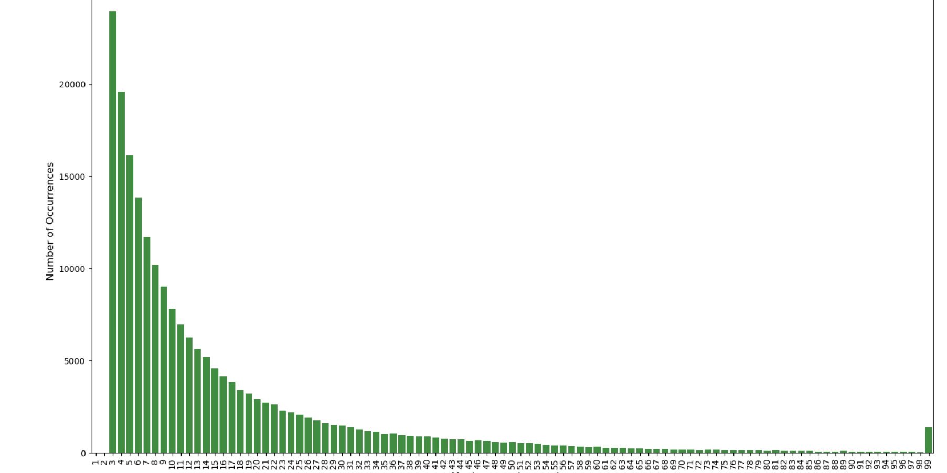

 |  |  |  |  | Observation:
 |  |  |  |  | From the above plot we can verify that the user orders are indeed between 4 and 100. The minimum amount of orders for each user is 4 and the maximum is 100.

7. Checking the orders by hour of the day

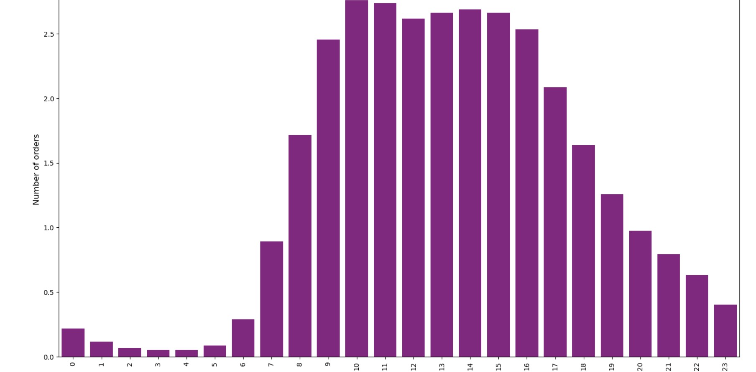

 |  |  |  |  | Observation:
 |  |  |  |  | The number of orders quickly rises after 7AM and reach the maximum at 10AM, maintaining a high amount up to 5PM, where it starts to decrease.

 | 8. Checking the amount of days since last order

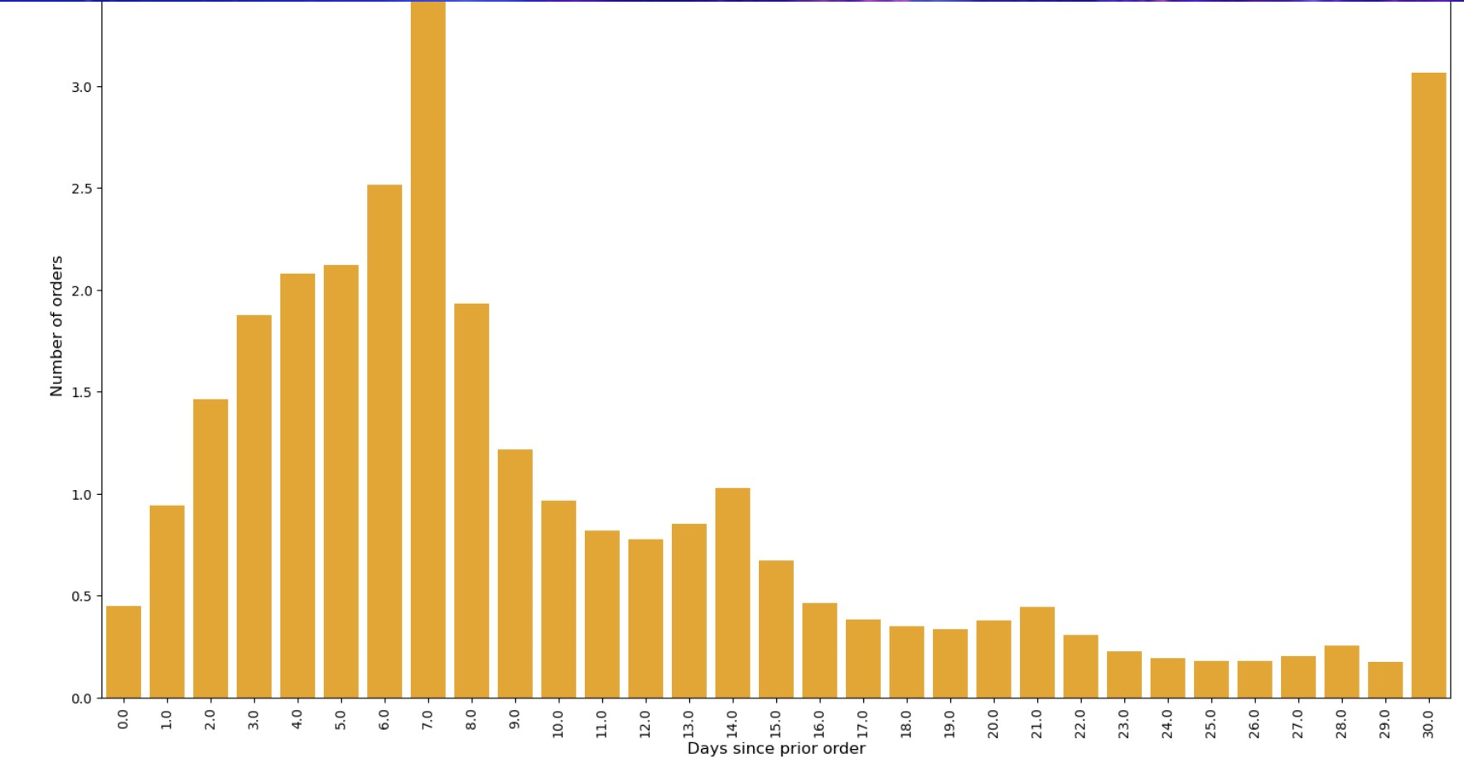

 |  |  |  |  | Observation:
 |  |  |  |  | We can see most of the orders are taken in monthly intervals, followed by weekly intervals, with peaks at 7, 14, 21 and 28 days.

 | 9. Checking the Most common amount of items per order

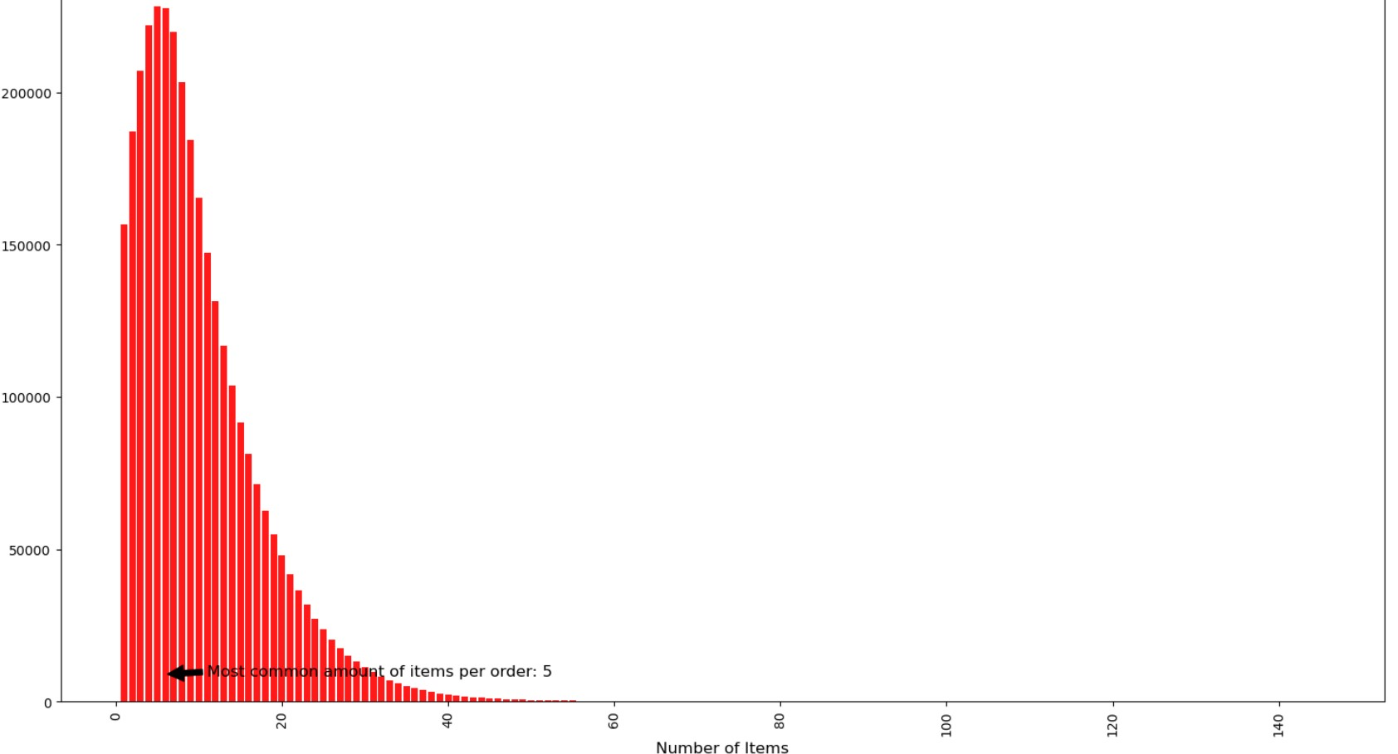

 |  |  |  |  | Observation:
 |  |  |  |  | The most common order has an average of 5 items. With that in mind, lets check which items are the bestseller

 | 10. Top 10 Best Seller products list

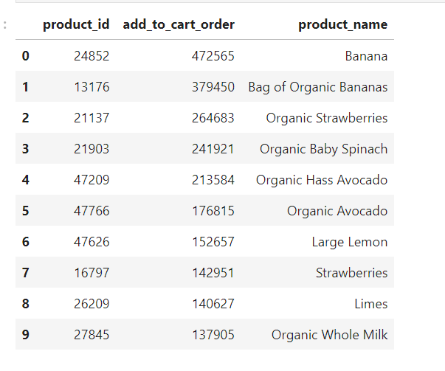

 |  |  |  |  | Observation:
 |  |  |  |  | The top 9 bestsellers in prior orders are all produce items, with the top 1 being Banana, followed by Organic Whole Milk.

7. Recommendations
 |  | Title page

Recommendations

In this tab you should include any recommendations you would made to Instcart in terms of their marketing strategy based on the questions posed in the brief. Every key question has been covered in the Tasks of the Exercises - here you need to add an item - a visualisation or table/crosstable that is showing the answer in the data, acompanied by a comment from you. Please, list the questions below and add the answer underneath.

Question
1. What are the busiest days of the week? | 1.What are the top selling items on Instacart?
 | According to data from Instacart, bananas are the top-selling grocery item on the mobile grocery shopping and delivery app—
Answer: Busiest days are Saturday and Sunday. Least busy days are Wednesday and Tuesday. | and they have been for most of the past decade, as long as Instacart has existed.

Recommendation: Have mid-week offers to entice more customers on the less busy days. Also, make use of more advertising during the week to try and obtain more customers. | 2. What are the best times to shop for Instacart?
 | The best time to Instacart for Shoppers is typically all-day throughout the weekends and in the evenings after work during the week.
 | This is because these are the main times when people are actually home and are ready to receive their groceries.
2. What are the busiest hours of the day?
 | 3. What is the slowest day for Instacart?
Answer: Most orders occur during the middle of the day. The number of orders start increasing after 7am and then they peak between 9am and 5pm. They start to decrease after 5pm. The lowest number of orders occurs in the middle of the night between midnight and 5am. | Demand is highest on Sundays and lowest on Wednesdays.

 | 4. What is the busiest day for Instacart shoppers?
 | Sunday is consistently the busiest day of the week so if you like to work weekends, you can maximize your earnings on this day.
Recommendation: Offer discounts and incentives that are exclusive to non-peak time hours.
 | 5. How Many Products Were Reordered
3. Are there any particular times of the day when people spend the most money? | The reordered rate is particularly high on top 10 products.

Answer: The most money is spent between 3 and 5am. The least money is spent between 8 and 11am.

 | CONCLUSION
 | Based on analysis in dataset, I identified several problems and improvement points:
4. Instacart has a lot of products with different price tags. Marketing and sales want to use simpler price
range groupings to help direct their efforts. | 1. According to dataset, company is performing well about number of orders per user.
Created a new column with different price ranges: Low range, Mid Range and High Range | Users made minimum 4 orders. However, it is very odd for retail industry. There is no explanation about discarded users in the dataset
Low range - $5 and below | It shows that, company can create activation marketing campaigns based on product recommendation algorithms and decrease the share of 3–10 orders customers.
Mid range - higher than $5 but less than or equal to $15
High range - higher than $15
 | 2. Time limited campaigns can increase the number of orders. According to dataset, night and evening hours order share is small when we compared with other hours .
5. Which departments have the highest frequency of product orders? | Based on profitability analysis, company can create time limited campaigns for such hours

Answer: Produce, dairy and snack departments have the highest frequency of order. Bulk, other, pets and alcohol have the lowest frequency of order.
 | 3. Most performed product and department category is daily products.
 | Those products and other products are also having greatest share in weekly reorder pattern.
Recommendation: Create adverts for the highest selling items, given these are the most popular it may also draw in new customers. Create weekly offers and deals to buy multiple items of the lower selling items to increase their order frequency. | Company can create a time limited campaigns for consumers who made monthly purchases on such categories.

6. What’s the distribution among users in regards to their brand loyalty (i.e., how often do they return to Instacart)?
Answer: The most customers are regular customers, then loyal customers and then new customers.
 | 4. Start a loyalty program
 | Rewarding your loyal customers is a great way of boosting customer retention and Purchase Frequency.
Recommendation: Introduce a points loyalty scheme to encourage regular customers and new customers to start ordering more frequently. | When customers take the time to sign up for your loyalty program, they may feel more motivated to continue shopping with you instead of going to a competitor.
 | You could use a points system to help encourage customers to shop at your online store and increase their purchase frequency.

7. Are there differences in ordering habits based on a customer’s loyalty status? | You can then encourage your customers to spend more on specific dates like holidays by rewarding them with extra points.
 | Use targeted email campaigns to remind customers of how many points they have and what they could spend those points on.
Answer: Loyal customers are the most frequent (more recently returned to the shop), followed by regular customers and new customers.
 | 5. Focus your marketing efforts on retention
 | Use strategic marketing campaigns to focus on retaining your current customer base.
Recommendation: Introduce a points loyalty scheme to encourage regular customers and new customers to start ordering more frequently. | Email campaigns can be an excellent way of boosting both your Purchase Frequency and Repeat Purchase Rate.

8. Are there differences in ordering habits based on a customer’s region?
Answer: The order of regions which order the most are: 1. South, 2. West, 3. Midwest, 4. Northeast.
 |  |  | Results of interesting findings, including:
 |  |  | > Fruits are reordered more frequently than vegetables
Recommendation: Increase adverts and deals in the Northeast and Midwest to increase the number of customers in these regions. |  |  | >Soups and baking ingredients are least likely to be reordered
 |  |  | >Healthier snacks and staples tend to be purchased earlier in the day
 |  |  | >Ice cream and frozen pizza are the most frequently ordered products late at night
9. Is there a connection between age and family status in terms of ordering habits?

Answer: Most orders occur in Middle Aged people. Young Adults and Senior Adults have a simialr number of orders. Most orders also occur in married people and occur the least in individuals living with parents and siblings, divorced/widowed and single people.

Recommendation: Increase adverts for products that might be more targetted to the lower ordering demographics.

10. What different classifications does the demographic information suggest? Age? Income? Certain types of goods? Family status?

Answer: The largest proportion of the customer demographic are Middle Aged people, with a middle income and who have dependents.

Recommendation: Increase marketing strategies focused at this demographic as this seems to be the largest customer demographic.

11. customers are ordering, and anything else you can think of.
Consider the price of orders, the frequency of orders, the products

Age: Middle age group orders the most across all different departments and in all regions.

Income: Middle income groups orders the most across all different departments and in all regions.

Dependents: Users with dependents order the most across all different departments and in all regions.

Recommendation: Increase marketing strategies focused at these demographics as this seems to be the largest customer demographic.

